BCEU-urban-residential-cooling
Year | 2015 | 2016 | 2017 | 2018 | 2019 | 2020 | 2021 | 2022 | 2023 | 2024 | 2025 | 2026 | 2027 | 2028 | 2029 | 2030 | 2031 | 2032 | 2033 | 2034 | 2035 | 2036 | 2037 | 2038 | 2039 | 2040 | 2041 | 2042 | 2043 | 2044 | 2045 | 2046 | 2047 | 2048 | 2049 | 2050
electricity (BTU) | 28216676.135 | 30108737.961 | 32189737.803 | 34578560.628 | 36993662.595 | 39151083.548 | 41020756.299 | 42596994.458 | 43878058.926 | 45057971.367 | 46232228.219 | 47400316.704 | 48561255.421 | 49713453.601 | 50855838.348 | 51987363.691 | 53057315.794 | 54137938.446 | 55201021.491 | 56245587.494 | 57270628.73 | 58275105.98 | 59257947.347 | 60218047.068 | 61154264.344 | 62065422.161 | 62884953.641 | 63671125.933 | 64423272.618 | 65140716.515 | 65822769.177 | 66468730.444 | 67077888.04 | 67649517.193 | 68182880.301 | 68677226.618
coal (BTU) | 0 | 0 | 0 | 0 | 0 | 0 | 0 | 0 | 0 | 0 | 0 | 0 | 0 | 0 | 0 | 0 | 0 | 0 | 0 | 0 | 0 | 0 | 0 | 0 | 0 | 0 | 0 | 0 | 0 | 0 | 0 | 0 | 0 | 0 | 0 | 0
natural gas (BTU) | 0 | 0 | 0 | 0 | 0 | 0 | 0 | 0 | 0 | 0 | 0 | 0 | 0 | 0 | 0 | 0 | 0 | 0 | 0 | 0 | 0 | 0 | 0 | 0 | 0 | 0 | 0 | 0 | 0 | 0 | 0 | 0 | 0 | 0 | 0 | 0
petroleum diesel (BTU) | 0 | 0 | 0 | 0 | 0 | 0 | 0 | 0 | 0 | 0 | 0 | 0 | 0 | 0 | 0 | 0 | 0 | 0 | 0 | 0 | 0 | 0 | 0 | 0 | 0 | 0 | 0 | 0 | 0 | 0 | 0 | 0 | 0 | 0 | 0 | 0
heat (BTU) | 0 | 0 | 0 | 0 | 0 | 0 | 0 | 0 | 0 | 0 | 0 | 0 | 0 | 0 | 0 | 0 | 0 | 0 | 0 | 0 | 0 | 0 | 0 | 0 | 0 | 0 | 0 | 0 | 0 | 0 | 0 | 0 | 0 | 0 | 0 | 0
biomass (BTU) | 0 | 0 | 0 | 0 | 0 | 0 | 0 | 0 | 0 | 0 | 0 | 0 | 0 | 0 | 0 | 0 | 0 | 0 | 0 | 0 | 0 | 0 | 0 | 0 | 0 | 0 | 0 | 0 | 0 | 0 | 0 | 0 | 0 | 0 | 0 | 0

ktep

BCEU-urban-residential-appl
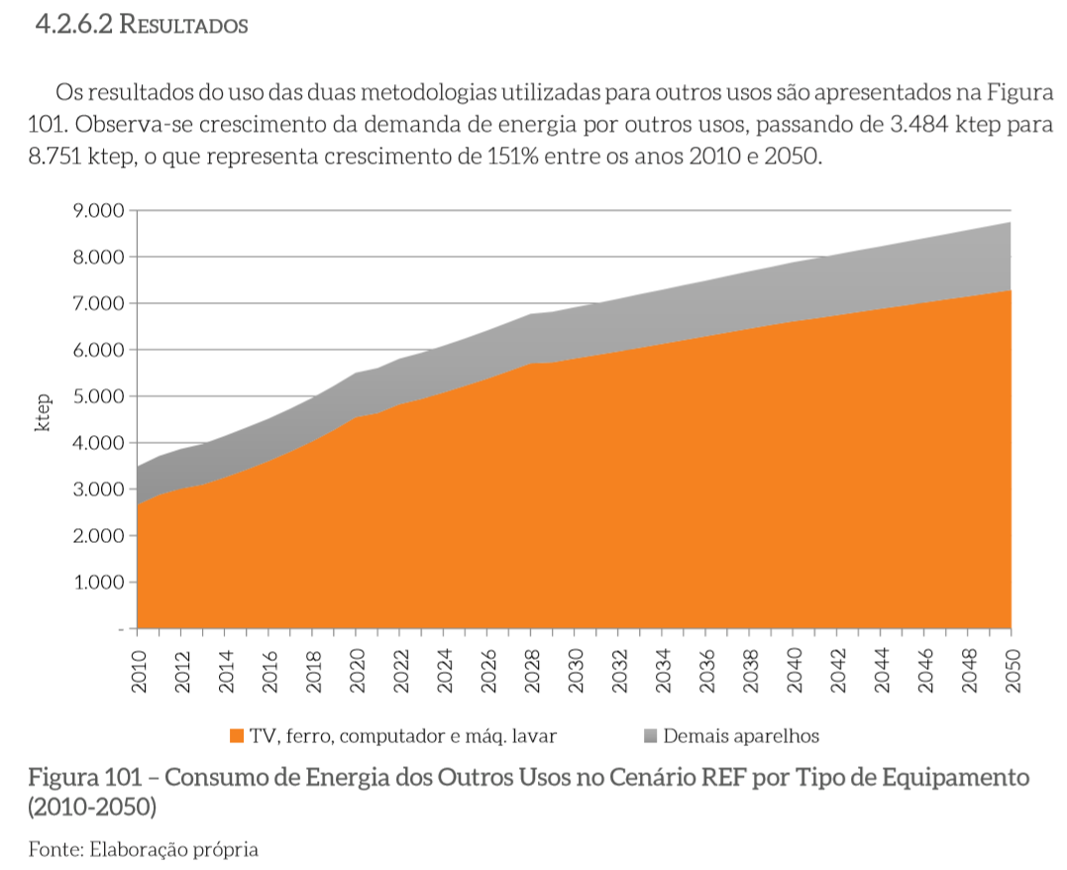
Year | 2015 | 2016 | 2017 | 2018 | 2019 | 2020 | 2021 | 2022 | 2023 | 2024 | 2025 | 2026 | 2027 | 2028 | 2029 | 2030 | 2031 | 2032 | 2033 | 2034 | 2035 | 2036 | 2037 | 2038 | 2039 | 2040 | 2041 | 2042 | 2043 | 2044 | 2045 | 2046 | 2047 | 2048 | 2049 | 2050
electricity (BTU) | 312,241,298 | 320,851,240 | 330,787,012 | 341,606,971 | 353,449,466 | 366,477,702 | 372,505,726 | 382,585,249 | 389,738,988 | 397,893,366 | 406,350,883 | 415,144,495 | 424,291,847 | 433,822,509 | 437,601,455 | 443,675,033 | 449,131,721 | 454,985,854 | 460,868,755 | 466,779,109 | 472,715,699 | 478,664,115 | 484,636,333 | 490,631,199 | 496,647,762 | 502,685,291 | 507,442,082 | 512,450,230 | 517,464,920 | 522,485,955 | 527,513,119 | 532,545,742 | 537,584,291 | 542,628,692 | 547,679,037 | 552,735,420
coal (BTU) | 0 | 0 | 0 | 0 | 0 | 0 | 0 | 0 | 0 | 0 | 0 | 0 | 0 | 0 | 0 | 0 | 0 | 0 | 0 | 0 | 0 | 0 | 0 | 0 | 0 | 0 | 0 | 0 | 0 | 0 | 0 | 0 | 0 | 0 | 0 | 0
natural gas (BTU) | 9,337,758 | 9591903.8634 | 9844105.1422 | 10091229.632 | 10333277.332 | 10570248.243 | 11080391.094 | 11590533.945 | 12100676.796 | 12610819.648 | 13120962.499 | 13631105.35 | 14141248.201 | 14651391.052 | 15161533.904 | 15671676.755 | 16197328.612 | 16722980.468 | 17248632.325 | 17774284.181 | 18299936.038 | 18825587.895 | 19351239.751 | 19876891.608 | 20402543.465 | 20928195.321 | 21665252.143 | 22402308.964 | 23139365.786 | 23876422.607 | 24613479.429 | 25350536.25 | 26087593.072 | 26824649.893 | 27561706.715 | 28298763.536
petroleum diesel (BTU) | 0 | 0 | 0 | 0 | 0 | 0 | 0 | 0 | 0 | 0 | 0 | 0 | 0 | 0 | 0 | 0 | 0 | 0 | 0 | 0 | 0 | 0 | 0 | 0 | 0 | 0 | 0 | 0 | 0 | 0 | 0 | 0 | 0 | 0 | 0 | 0
heat (BTU) | 0 | 0 | 0 | 0 | 0 | 0 | 0 | 0 | 0 | 0 | 0 | 0 | 0 | 0 | 0 | 0 | 0 | 0 | 0 | 0 | 0 | 0 | 0 | 0 | 0 | 0 | 0 | 0 | 0 | 0 | 0 | 0 | 0 | 0 | 0 | 0
biomass (BTU) | 0 | 0 | 0 | 0 | 0 | 0 | 0 | 0 | 0 | 0 | 0 | 0 | 0 | 0 | 0 | 0 | 0 | 0 | 0 | 0 | 0 | 0 | 0 | 0 | 0 | 0 | 0 | 0 | 0 | 0 | 0 | 0 | 0 | 0 | 0 | 0

